Sheet1
STYLE NAME | COLOUR | SUEDE LEATHER | EU 28 | EU 29 | EU 30 | EU 31 | EU 32 | EU 33 | EU 34 | EU 35 | TTL | PRE PACK / CTN QTY
2016 | BLACK | 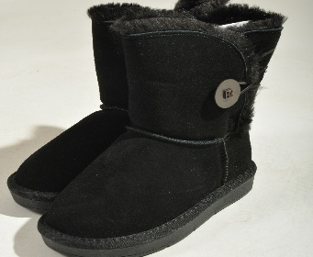 | 64 | 64 | 128 | 128 | 128 | 128 | 63 | 64 | 767 | PRE PACK
2016 | CAMEL | 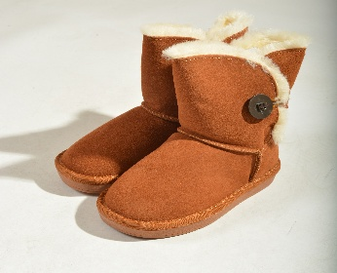 | 6 | 6 | 12 | 12 | 10 | 11 | 6 | 6 | 69 | PRE PACK
2016 | PINK | 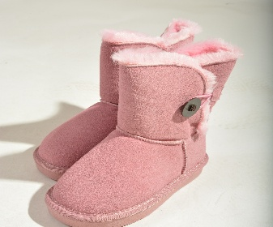 | 15 | 15 | 29 | 30 | 30 | 30 | 15 | 15 | 179 | PRE PACK
2016 | COFFEE | 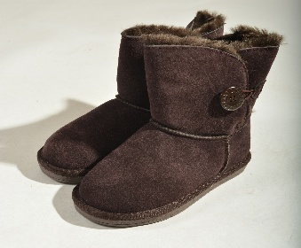 | 2 | 2 | 7 | 5 | 2 | 3 | 1 | 2 | 24 | PRE PACK
T 2019 | ROSE |  | 1 | 1 | 2 | 2 | 2 | 2 | 1 | 1 | 12 | PRE PACK
STYLE NAME | COLOUR |  | 7 | 8 | 9 | 10 | 11 | 12 | 1 | 2 | TTL | PRE PACK / CTN QTY
2016 | BLACK |  | 36 | 36 | 72 | 72 | 72 | 72 | 36 | 36 | 432 | PRE PACK
2016 | COFFEE |  | 1 | 1 | 2 | 20 | 29 | 27 | 19 | 19 | 118 | PRE PACK
 |  |  |  |  |  |  |  |  |  |  | 1601

